1. Title Page
[Project Name]

Project Name: Instacart Grocery Basket Analysis
Date: 05 September 2022
Analyst Name: Lee Heng Chuah

Contents:
Population Flow
Consistency checks
Wrangling steps
Column derivations
Visualizations & Recommendations

2. Population Flow
Title: | Instacart Grocery Basket Analysis - Population Flow

Population flow

Exclusion flag
Condition: max_order < 5
Obervations to be removed: 2884
Final total count of order_products_all: 32403157

Orders_products_combined
Orders_products_merged
Orders_products_all

Total: 32406041
Total: 32640698
Total: 32406041

1.) The grey boxes in the first row of the population flow represent the original data sets as they were when you downloaded them. In the Total fields you need to add the count of the rows when you imported the data set into Jupyter.
2.) The second row of boxes (coloured) represents the data sets after you manipulated them, e.g., removed missing values and duplicates. In the Total fields you need to add the count of the rows after conducting these operations. This offers a visual oveview of how the data flows throughout the data consistency checks.
3.) The third row, where also the arrows are coloured, represents the merges you performed between the datasets. In the Total fields you need to add the count of the rows in the merged datasets, so that you end up with the final dataset (in the red box). Keep in mind the final dataset should be without exclusions (based on the exclusion flag).

3. Consistency checks
 |  |  |  | Title | Instacart Grocery Basket Analysis - Consistency Check
Consistency checks

Dataset | Missing values | Missing values treatment | Duplicates
orders | 'days_since_prior_order' - 206209 NaN | There are 206209 data missing on days_since_prior_order. (more than 5% of data missing; approx.6%) These missing data might be the new customers. Differentiate the new customers and existing customers in this analysis. | No duplicate values found
products | 'product_name' - 16 NaN | Clean the missing data | 5 duplicates found. Dataframe without duplicates created
orders_products_prior | None | None | None
customers | 'first_name' - 11259 NaN | It is approx. 11259 / 206209 x 100% = 5% data missing. Leave the data within the data frame. | None

4. Wrangling steps
 |  |  |  |  | Title | Instacart Grocery Basket Analysis - Wrangling Steps
Wrangling steps

Dataset | Columns dropped | Columns renamed | Columns' type changed | Comment/Reason
orders | eval_set |  |  | not required for analysis
 |  | from 'order_dow' to 'orders_day_of_week' |  | the column name is not clear, rename for better understanding
 |  |  | order_id --> str | column acts as key
 |  |  | user_id --> str | column acts as key
department |  | from 'days_since_prior_order' to 'days_since_last_order' |  | the column name is not clear, rename for better understanding
customers |  | from 'First Name' to 'first_name' |  | convert the column name into small letter to bring it consistency across spreadsheet
 |  | from 'Surnam' to 'last_name' |  | the column name is not clear, rename for better understanding
 |  | from 'Gender' to 'gender' |  | convert the column name into small letter to bring it consistency across spreadsheet
 |  | from 'STATE' to 'state' |  | convert the column name into small letter to bring it consistency across spreadsheet
 |  | from 'Age' to 'age' |  | convert the column name into small letter to bring it consistency across spreadsheet
 |  | from 'n_dependants' to 'number_of_dependants' |  | the column name is not clear, rename for better understanding
 |  | from 'fam_status' to 'family_status' |  | the column name is not clear, rename for better understanding
df_merged_final |  | from 'Unnamed: 0_y' to 'product_id' |  | the column name is not clear, rename for better understanding
 | Unnamed: 0_x |  |  | not required for analysis
 | _merge |  |  | not required for analysis
 | first_name |  |  | Consider security implications exist in this data. PII data
 | last_name |  |  | Consider security implications exist in this data. PII data

5. Column derivations
 |  |  |  |  | Title | Instacart Grocery Basket Analysis - Column Derivations

Column derivations and aggregations

In this tab you should add tables below that the frequences of flags/label variables that you produced after deriving them. NB: don't do this for continuous variables, only for flags.
Dataset | New column | Column/s it was derived from | Conditions | Code
orders_products_merged | price_range | price | if price > 15, then high range product; if 5 < price < 15, then mid-range product; if price < 5, then low-range product | orders_products_merged.loc[orders_products_merged['prices'] > 15, 'price_range_loc'] = 'High-range product' orders_products_merged.loc[(orders_products_merged['prices'] <= 15) & (orders_products_merged['prices'] > 5), 'price_range_loc'] = 'Mid-range product' orders_products_merged.loc[orders_products_merged['prices'] <= 5, 'price_range_loc'] = 'Low-range product' orders_products_merged['price_range_loc'].value_counts(dropna = True)
 | busiest_day | orders_day_of_week | if orders_day_of_week = 0, busiest day; if orders_day_of_week = 4, least busy day; rest are regularly busy | result = [] for value in orders_products_merged['orders_day_of_week']: if value == 0: result.append("Busiest day") elif value == 4: result.append("Least busy") else: result.append("Regularly busy") orders_products_merged['busiest_day'] = result orders_products_merged['busiest_day'].value_counts(dropna = False)
 | busiest_days | orders_day_of_week | if orders_day_of_week = 0 & 1, busiest day; if orders_day_of_week = 3 & 4, least busy day; rest are regularly busy | result_2 = [] for value in orders_products_merged['orders_day_of_week']: if value in [0,1]: result_2.append("Busiest days") elif value in [3,4]: result_2.append("Least busy days") else: result_2.append("Regularly busy days") orders_products_merged['busiest_days'] = result_2 orders_products_merged['busiest_days'].value_counts()
 | busiest_period_of_day | order_hour_of_day | if order_hour_of_day > 9 but < 16, most orders; if order_hour_of_day < 6, fewest orders; rest are average orders | result_3 = [] for value in orders_products_merged['order_hour_of_day']: if value>=9 and value<=16: result_3.append("Most orders") elif value<=6: result_3.append("Fewest orders") else: result_3.append("Average orders") orders_products_merged['busiest_period_of_day'] = result_3 orders_products_merged['busiest_period_of_day'].value_counts(dropna = False)
orders_products_merged | max_order | user_id, order_number | find max_order for each user | orders_products_merged['max_order'] = orders_products_merged.groupby(['user_id'])['order_number'].transform(np.max)
 | loyalty_flag | max_order | if the maximum order > 40, loyal customer; if the maximum order <40 but >10, then regular customer if the maximum order < 10, then new customer | orders_products_merged.loc[orders_products_merged['max_order'] > 40, 'loyalty_flag'] = 'Loyal customer' orders_products_merged.loc[(orders_products_merged['max_order'] <= 40) & (orders_products_merged['max_order'] > 10), 'loyalty_flag'] = 'Regular customer' orders_products_merged.loc[orders_products_merged['max_order'] <= 10, 'loyalty_flag'] = 'New customer' orders_products_merged['loyalty_flag'].value_counts(dropna = False)
 | mean_order | user_id, prices | Find mean_order for each user | orders_products_merged['mean_order'] = orders_products_merged.groupby(['user_id'])['prices'].transform(np.mean)
 | spending_flag | mean_order | If the mean order < 10, then low spender; if the mean order > 10, then high spender | orders_products_merged.loc[orders_products_merged['mean_order']<10, 'spending_flag'] = 'Low spender' orders_products_merged.loc[orders_products_merged['mean_order']>=10, 'spending_flag'] = 'High spender'
 | median_days_since_last_order | user_id, | Find the median days since last order for each user | orders_products_merged['median_days_since_last_order'] = orders_products_merged.groupby(['user_id'])['days_since_last_order'].transform(np.mean)
 | Frequency_flag | median_days_since_last_order | If the median_days_since_last order is more than 20, then non-frequency customer; if the median_days_since_last order in between 10 and 20 days, then regular customer; if the median days since last order is less than 10 days, then they are regular customer | orders_products_merged.loc[orders_products_merged['median_days_since_last_order']>20, 'Frequency_flag'] = 'Non-Frequent customer' orders_products_merged.loc[(orders_products_merged['median_days_since_last_order']>10) & (orders_products_merged['median_days_since_last_order']<=10), 'Frequency_flag'] = 'Regular customer' orders_products_merged.loc[orders_products_merged['median_days_since_last_order']<=10, 'Frequency_flag'] = 'Frequent customer'
df_merged | region | state | allocate the users to each region | northeast = ['Maine', 'New Hampshire', 'Vermont', 'Massachusetts', 'Rhode Island', 'Connecticut', 'New York', 'Pennsylvania', 'New Jersey'] midwest = ['Wisconsin', 'Michigan', 'Illinois', 'Indiana', 'Ohio', 'North Dakota', 'South Dakota', 'Nebraska', 'Kansas','Minnesota', 'Iowa', 'Missouri'] south = ['Delaware', 'Maryland', 'District of Columbia', 'Virginia', 'West Virginia','North Carolina', 'South Carolina', 'Georgia', 'Florida', 'Kentucky', 'Tennessee','Mississippi', 'Alabama', 'Oklahoma', 'Texas', 'Arkansas', 'Louisiana'] west = ['Idaho', 'Montana', 'Wyoming', 'Nevada', 'Utah', 'Colorado', 'Arizona', 'New Mexico', 'Alaska', 'Washington', 'Oregon', 'California', 'Hawaii'] df_merged_final.loc[df_merged_final['state'].isin(northeast), 'region']='northeast' df_merged_final.loc[df_merged_final['state'].isin(midwest), 'region']='midwest' df_merged_final.loc[df_merged_final['state'].isin(south), 'region']='south' df_merged_final.loc[df_merged_final['state'].isin(west), 'region']='west'
 | total_orders | user_id, order_number | Find total orders for each users | df_merged_final['total_orders']=df_merged_final.groupby(['user_id']).user_id.transform('count')
 | Activity_flag | total_orders | If the total orders less than 5, then they have low activity; if the total order more than 5, they are then have regular activity | results_2 = [] for total in df_merged_final['total_orders']: if total < 5: results_2.append('low Activity') else: results_2.append('regular Activity') df_merged_final['Activity_flag']=results_2 df_merged_final['Activity_flag'].value_counts(dropna=False)
 | age_group | age | if the age of customer more than 18 but less than 40, they are young group; if the age of customer more than 40 but less than 65; they are middle age group; if the age of customer more than 65, they are older group | df_merged_2.loc[(df_merged_2['age'] >= 18) & (df_merged_2['age'] < 40), 'age_group'] = 'young' df_merged_2.loc[(df_merged_2['age'] >= 40) & (df_merged_2['age'] < 65), 'age_group'] = 'middle' df_merged_2.loc[(df_merged_2['age'] >= 65), 'age_group'] = 'older' df_merged_2['age_group'].value_counts()
 | income_group | income | if the income is more than 50k, they are low income group; if the income is between 50k and 100k, they are middle income group, if the income is more than 100k, they are high income group | df_merged_2.loc[(df_merged_2['income'] <= 50000), 'income_group'] = 'low income' df_merged_2.loc[(df_merged_2['income'] > 50000) & (df_merged_2['income'] < 100000), 'income_group'] = 'middle income' df_merged_2.loc[(df_merged_2['income'] >= 100000), 'income_group'] = 'high income' df_merged_2['income_group'].value_counts()
 | dependant_group | number_of_dependants | if the customer have dependant more than 0, they have dependants; if the customer have number of dependant of 0, then no dependants. | df_merged_2.loc[df_merged_2['number_of_dependants'] > 0, 'dependant_group']='dependants' df_merged_2.loc[df_merged_2['number_of_dependants']==0,'dependant_group']='no dependants' df_merged_2['dependant_group'].value_counts()

6. Visualizations & Recommend
 |  |  |  | Title | Instacart Grocery Basket Analysis - Visualisations & Recommendations

Visualisations & Recommendations

In this tab you should include all the visualtions from Exercises 4.9 and 4.10, alongside the questions from the project brief that they answer. Include any commentary on the relationship between different variables.

 | The sales team needs to know what the busiest days of the week and hours of the day are (i.e. the days and times with the
 | most orders) in order to schedule ads at times when there are fewer orders
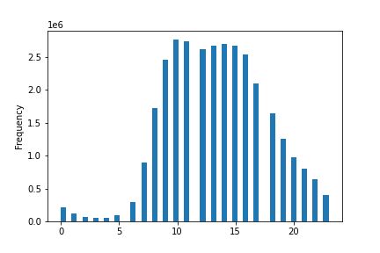

Figure 6.1: This histogram shows the number of orders placed at each hour of day
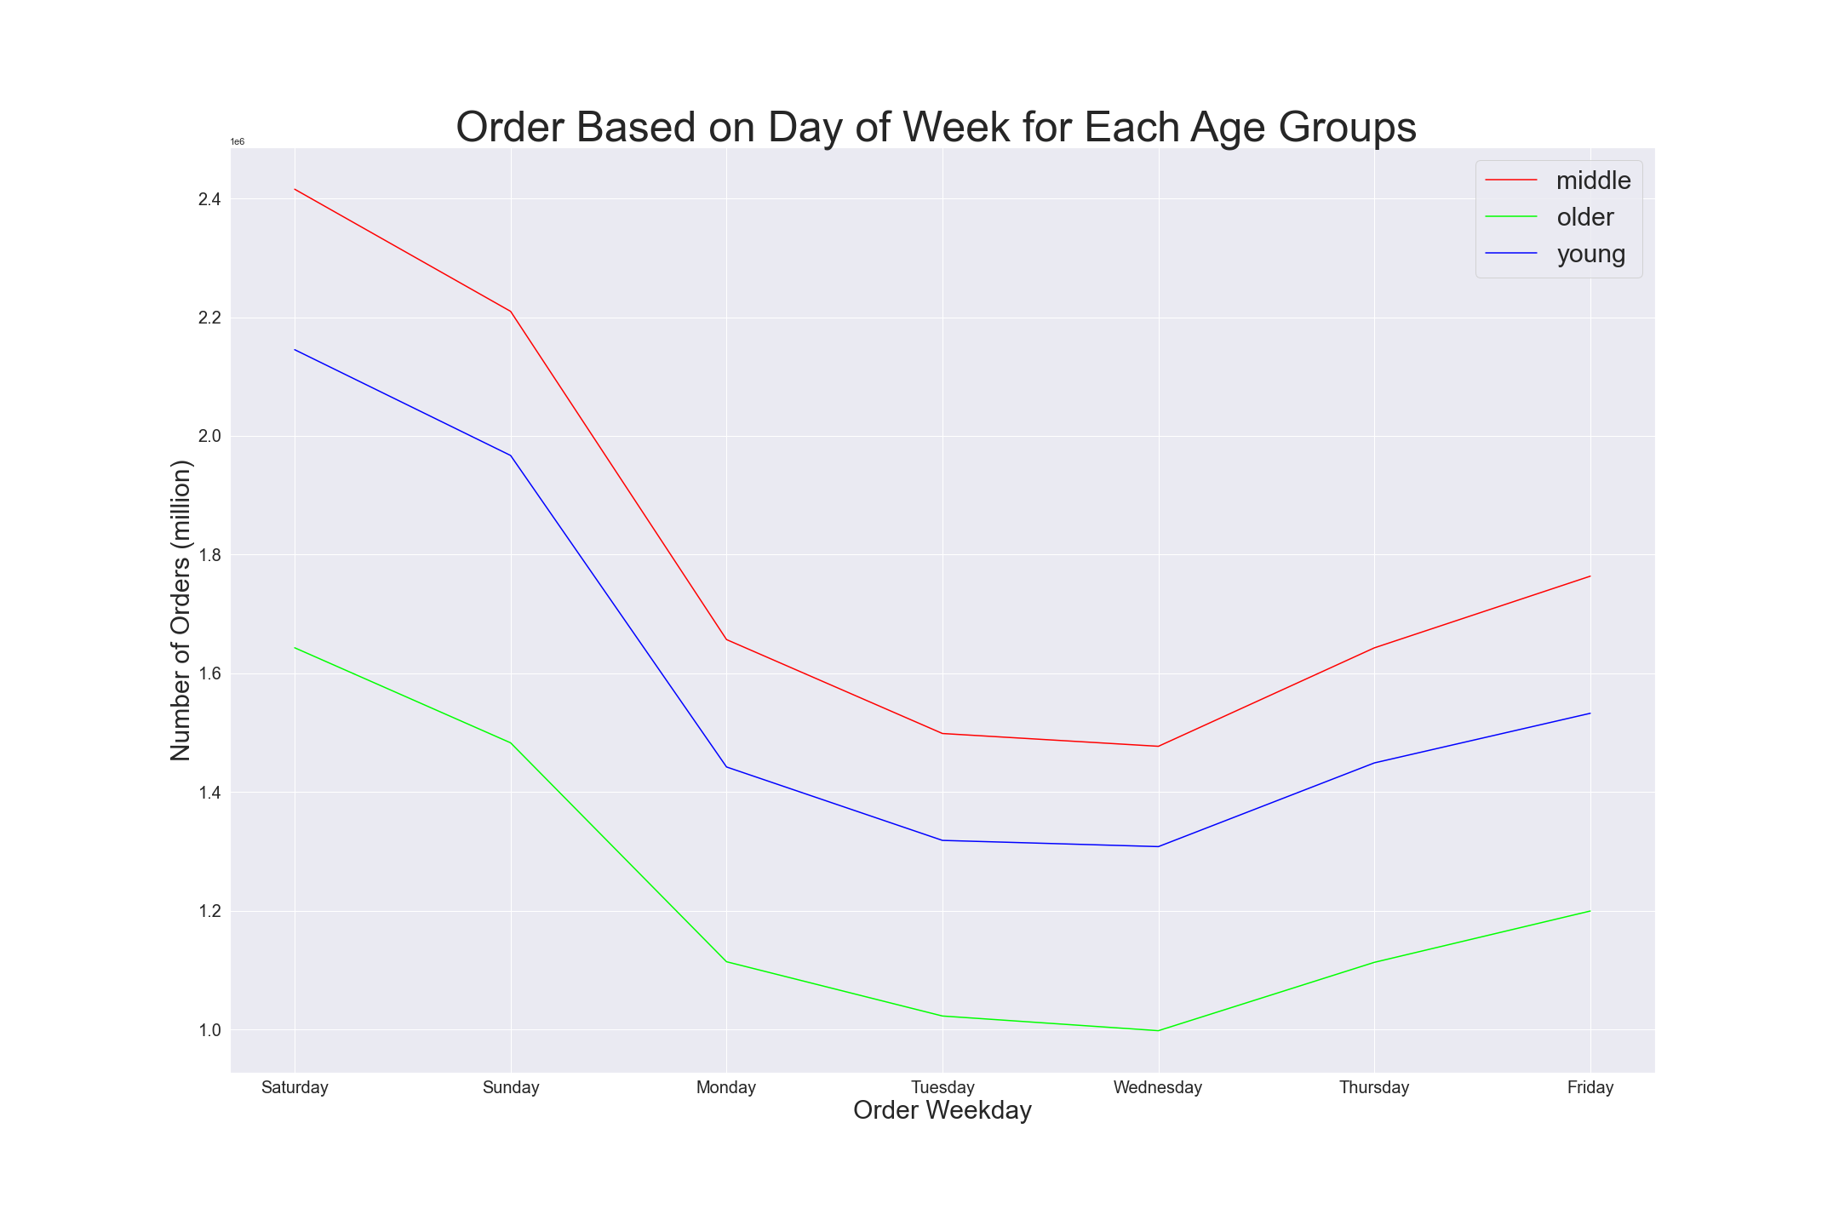

Figure 6.2: This line chart presents the number of orders placed at each day of the week (based on age group)
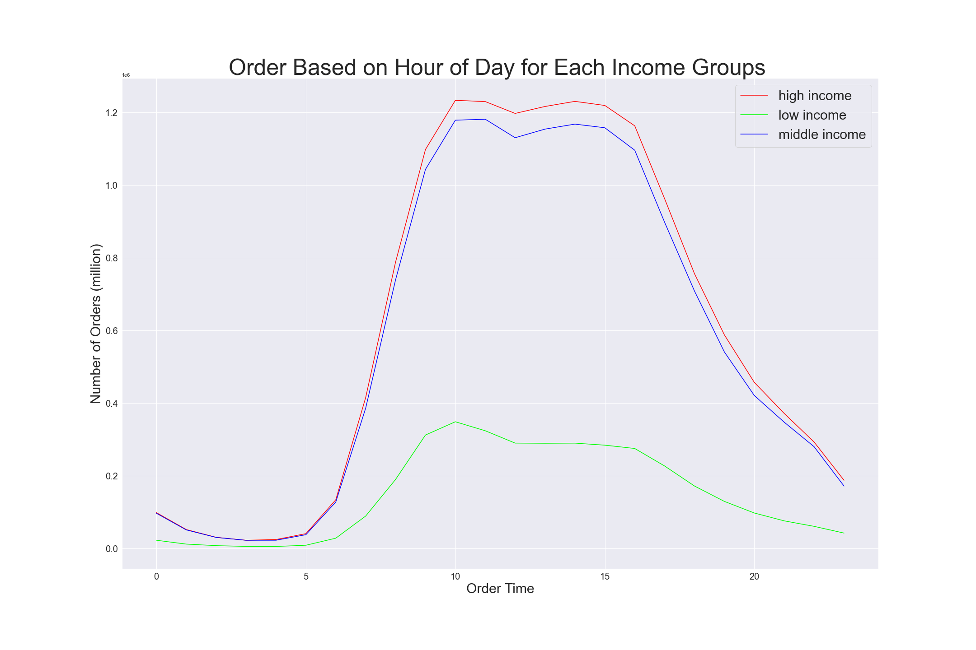

Figure 6.3: This line chart presents the number of orders placed at each hour of the day (based on income group)
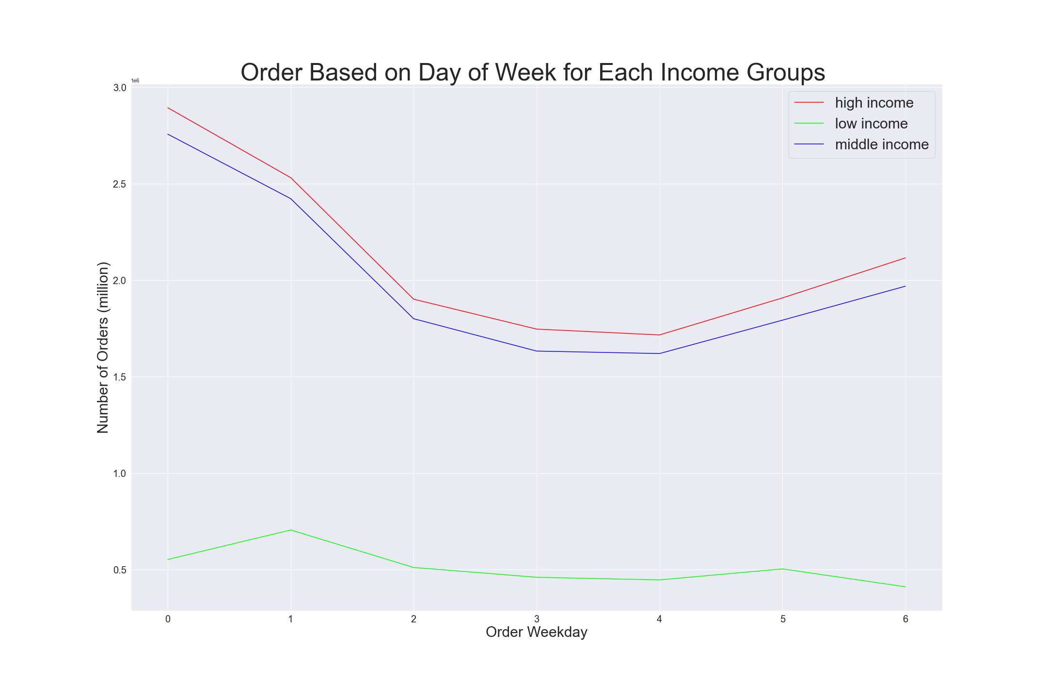

Figure 6.4: This line chart presents the number of orders placed at each day of the week (based on income group)

 | Figure 6.1 presents the busiest hours of the day between 9am - 4pm, and Figure 6.2 illustrates the most active days of the week are Sunday and Saturday. Primary customers are the Middle age group (Aged between 40 to 65 years old), followed by the Young age group (Aged between 18 to 40 years old). Figure 6.3 and Figure 6.4 presented the spender group coming from high-income and middle-income groups, between 9am-4am and during weekends. Both Figure 6.3 and Figure 6.4 showed lower income group spent significantly less in a day and a week. Recommendations: 1. The sales team could schedule ads at the time outside of 9am - 4pm and during the weekdays. 2. The sales team could discount some products near the expiry date to attract low-income groups rather than waste the product and throw it in the bin at the end of the day. Promote decarbonisation and build a green brand for the company.

 | They also want to know whether there are particular times of the day when people spend the most money, as this might inform the type
 | of products they advertise at these times
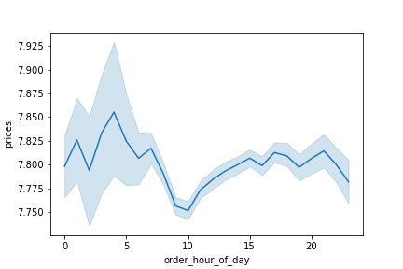

Figure 6.5: This line chart presents the average price of the products purchased at each hour of day

 | Figure 6.5 presents the average price of the products purchased at each hour of day. On average, the most expensive products are purchased between 12pm and 7am Recommendations: 1. The sales team could consider to place the ads between 12pm and 7am for high range products.


 | Instacart has a lot of products with different price tags. Marketing and sales want to use simpler price range groupings to help direct their
 | efforts

Figure 6.6: The histogram presents the distribution of prices for products
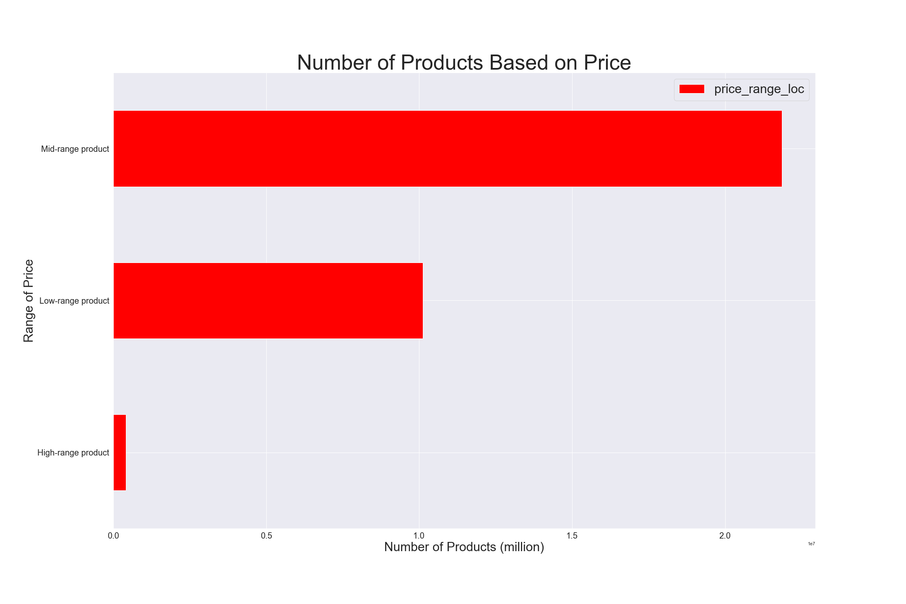

Figure 6.7: This bar chart presents the number of products based on range of price

 |  | Range of Price | Number of products
 |  | Mid-range | 21860174
 |  | Low-range | 10125333
 |  | High-range | 417650

Figure 6.8: This table presents the number of products based on range of price

 | Figure 6.7 and 6.8 present the number of products based on range of price. Mid-range products are the most popular products (21860174 or 67%). High-range products are the least popular products (417650 or 1.3%). Note: Figure 6.6 presents the distribution of prices for products are most lower than $15. Therefore, the prices have been grouped into high range products (>$15), mid-range products (<=$15 & >$5) and low-range products (<=$5). Recommendations: 1. The sales team and marketing team could consider increasing the mid-range products since the mid-range products are hot sales in the market.

 | Are there certain types of products that are more popular than others? The marketing and sales teams want to know which departments have
 | the highest frequency of product orders
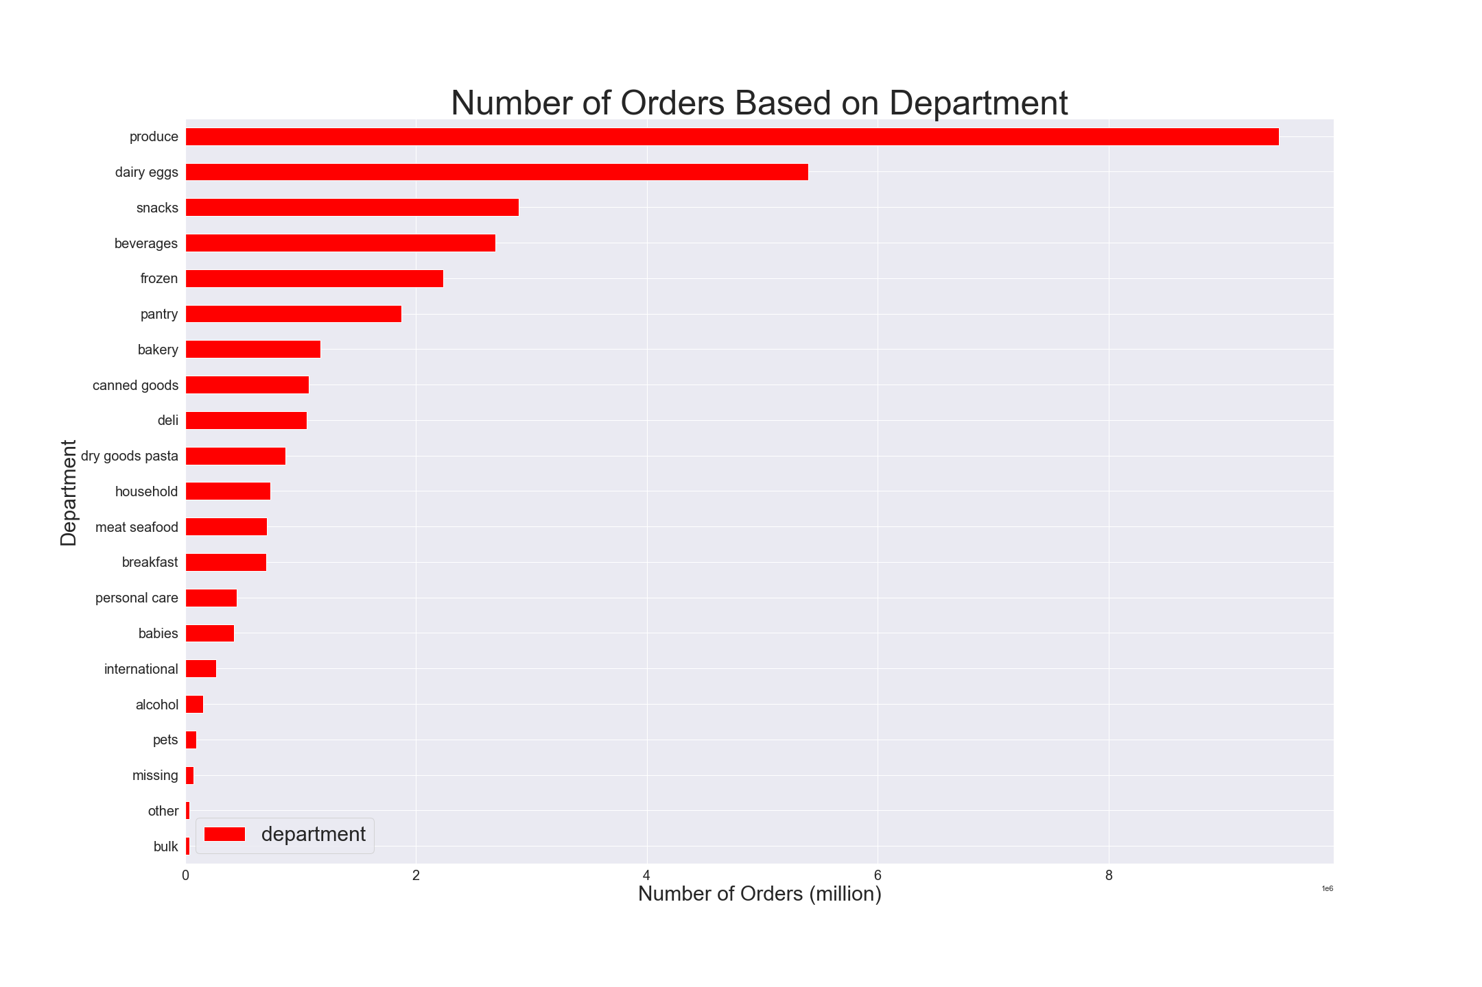

Figure 6.9: This bar chart presents the number of orders based on Department

 |  | Department | Number of orders
 |  | Produce | 9478765
 |  | Daily Eggs | 5398389
 |  | Snacks | 2887289
 |  | Beverages | 2687384
 |  | Frozen | 2234540
 |  | Pantry | 1875218
 |  | Bakery | 1172359
 |  | Canned Goods | 1068013
 |  | Deli | 1051193
 |  | Dry Goods Pasta | 866608
 |  | Household | 738487
 |  | Meat Seafood | 708879
 |  | Breakfast | 704062
 |  | Personal Care | 447554
 |  | Babies | 423791
 |  | International | 269244
 |  | Alcohol | 153677
 |  | Pets | 97710
 |  | Missing | 69142
 |  | Other | 36283
 |  | Bulk | 34570

Figure 6.10: This table presents the number of orders based on Department

 | Figure 6.9 and 6.10 presents the highest frequency of product orders in produce (9478765), then followed by dairy eggs (5398389), snacks (2887289), beverages (2687384), and frozen (2234540) departments. The most minor frequency of product orders is bulk (34570). Recommendation: 1. The marketing and sales team shall focus on the high-demand departments 2. The marketing and sales team could conduct a survey or product research to understand the customer demand requirement of other products to raise sales. 3. The marketing and sales team could put a sales strategy together after carrying out the survey, e.g., prioritising the ads based on customer demand in the market.

 | The marketing and sales team are particularly interested in the different types of customers in their systems and how their ordering behaviours
 | differ.
 | What is the distribution among users in regards to their brand loyalty (i.e. how often do they return to Instacart)?

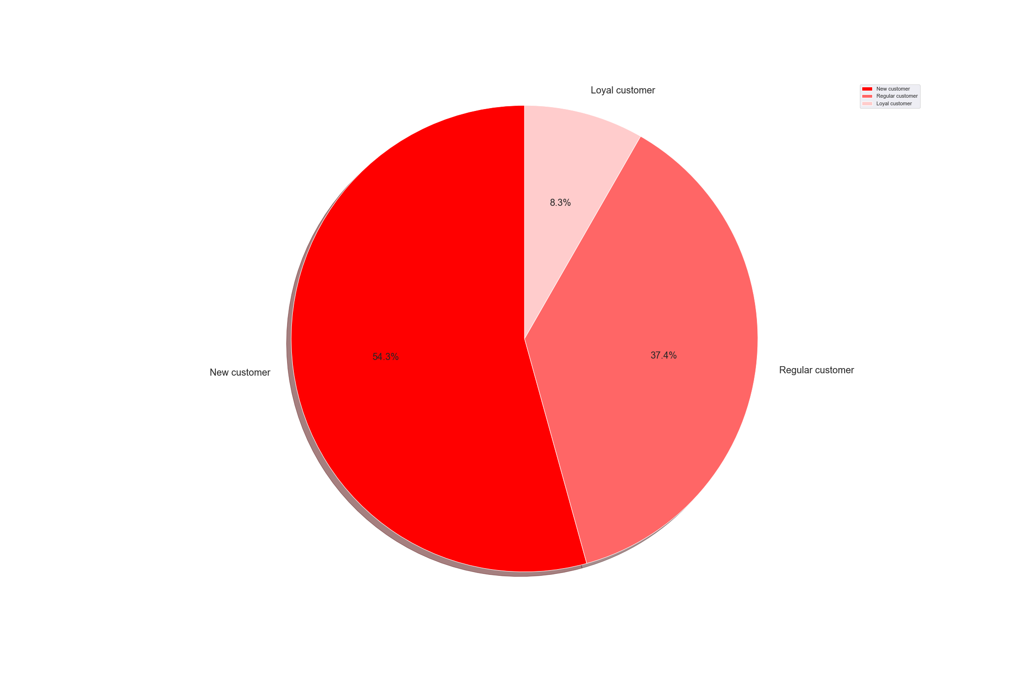

Figure 6.11: This pie chart presents the percentage of customers in each loyalty status.

 | Figure 6.11 shows the percentage of loyalty of new customers (54.3%) is higher than that of regular customers (37.4%). There are more regular customers than loyal customers (8.3%) Recommendation: 1. To increase the loyalty of the customer, the marketing and sales team could target new and regular customers by putting more ads or encouraging them to become loyal customers by giving them an attractive offer, e.g., buy 10 free 1.

 | Are there differences in ordering habits based on a customers's loyalty status?

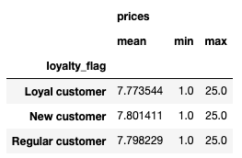

Figure 6.12: This table presents the spending habits based on customer's loyalty status

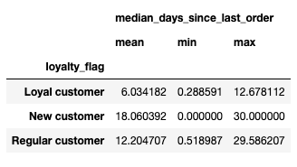

Figure 6.13: This table presents the frequency purchase based on customer's loyalty status

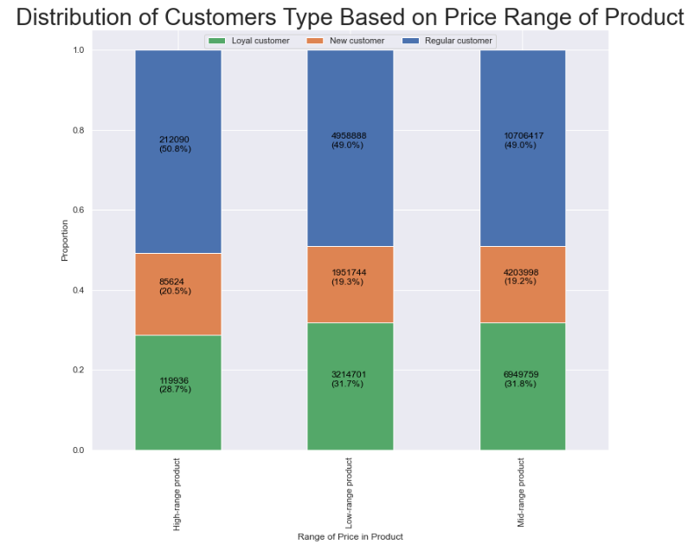

Figure 6.14: This staked bar chart presents the range of products purchased based on customer's loyalty status

 | Figure 6.12 shows the spending habits based on the customer's loyalty status. The spending habits for all customers' loyalty status are about the same (the price for the loyal customer would definitely cheaper than the new customers and regular customers). Figure 6.13 illustrates the frequency of purchase based on the customer's loyalty status. It looks like the mean of the last order for loyal customers is 6 days, the regular customer is 12 days, and the new customer is 18 days. Figure 6.14 presents that the ordering habits across the range of the products for the regular customers are about the same - 49%-51%; same to loyal customers - 28.7% to 31.8% and new customers - 19.2% to 20.5%. The loyal customer would spend less on the high-range product, but the most recent and regular customers would pay more for the high-range product. The loyal customer would spend more on low-range and mid-range products. Recommendation: 1. To reduce the mean day of last purchase; The marketing and sales team could target new and regular customers by putting more ads or encouraging them to become loyal customers by giving them an attractive offer, e.g., buy 10 free 1 or offer them a loyalty price of the product. 2. The marketing and sales team could also put a sales strategy together for the new and regular customers after the survey, e.g., prioritising the ads based on customer demand in the market.

 | Are there differences in ordering habits based on a customer's region?

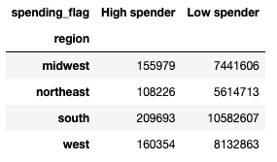

Figure 6.15: This table presents the spending habits between the different U.S. Region

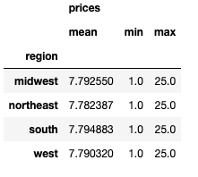

Figure 6.16: This table presents the prices between the different U.S. Region

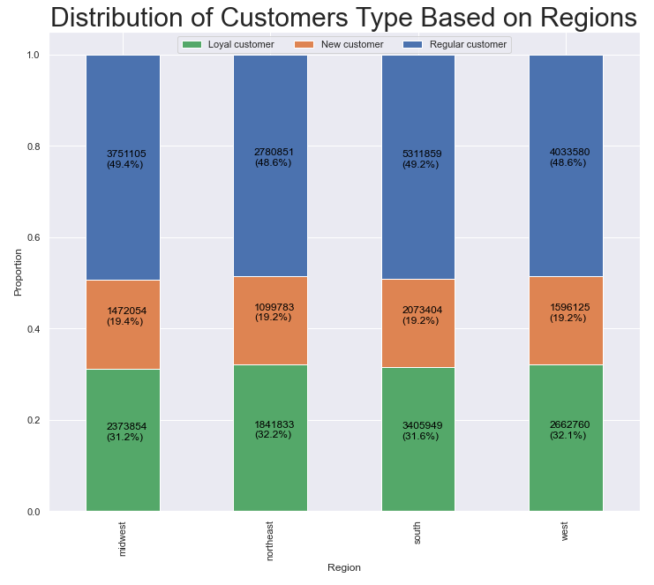

Figure 6.17: This staked bar chart presents the distribution of customers loyalty based on region

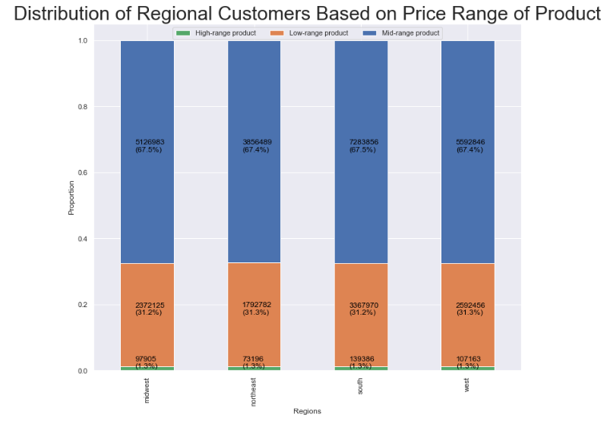

Figure 6.18: This staked bar chart presents the range of products purchased by the customer based on regions

 | Figure 6.15 shows the high spender region was in the south (209,693), then followed by the west (160,354), midwest (155,979) and northeast (108,226). Interesting to see the low spender was also in the south. It is because the largest customer population is in the south region (10792300), with the number of states in the south region (17). Due to the most significant customer population in the south, the data frame presented the high spender in the south (209,693) and the lower spender in the south (10,582,607). The average price of the product is about the same across the regions. See Figure 6.16. The spending behaviour for each region is about the same; the highest spender can be found in the large region population; in the lowest customer population, the spender is less. Figure 6.17 presents each region having a largest population of regular customers (48.6% - 49.4%), followed by loyal customers (31.2%-32.2%) and new customers (19.2%-19.4%). Figure 6.18 presents high-spending behaviors on the mid-range products (67.4% - 67.5%), then followed by the low-range products (31.2% - 31.3%). The spending on high-range products is minimal across regions (1.3%). Recommendation: 1. The marketing and sales team could target all regions by putting more ads. 2. The marketing and sales team could also put a sales strategy together for these regions after the survey, e.g., prioritising the ads based on customer demand in the market. 3. As the lower spender is also in the south, the marketing and sales team could understand the customer's purchase behaviour and develop a marketing strategy to boost sales.

 | Is there a connection between age and family status in terms of ordering habits?
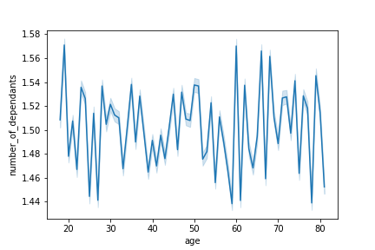

Figure 6.19: This line chart presents the relationship between the customer's age and the number of dependents



Figure 6.20: This scatterplot presents the connection between age and spending power

 | Figure 6.19 presents the relationship between the customer's age and the number of dependents. The line chart showed a distinct relationship between age of the customers and the number of dependents. Figure 6.20 presents the relationship or connection between the customer age and their spending power. As we can see the majority of customers between aged 20-40 have a spending power of USD 200,000; Customers aged above 40 years old have a spending power of USD 300,000; Customers aged between 20-40 years old could spend up to USD 400,000; Customers aged 40 and above could spend up to USD 600,000. Recommendation: 1. The marketing and sales team could target the customers who are in aged 40 and above. 2. For aged below 40, the marketing and sales team could promote mid-range of products or low-range of products, put a sales & marketing strategy together for these regions after the survey, e.g., prioritising the ads based on customer demand in the market or offer the needs based on their capability.

 | What different classifications does the demographic information suggest? Age? Income? Certain types of goods? Family status?

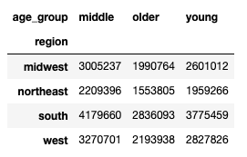

Figure 6.21: This table presents the customer population based on age group at different regions in U.S.

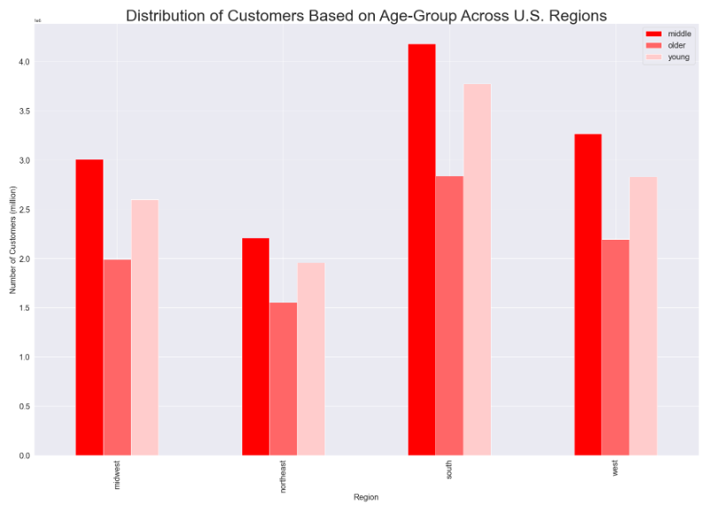

Figure 6.22: This bar chart presents the customer population based on age group at different regions in U.S.

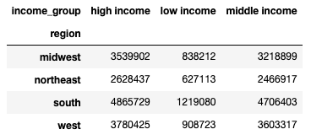

Figure 6.23: This table presents the customer population based on income group at different regions in U.S.

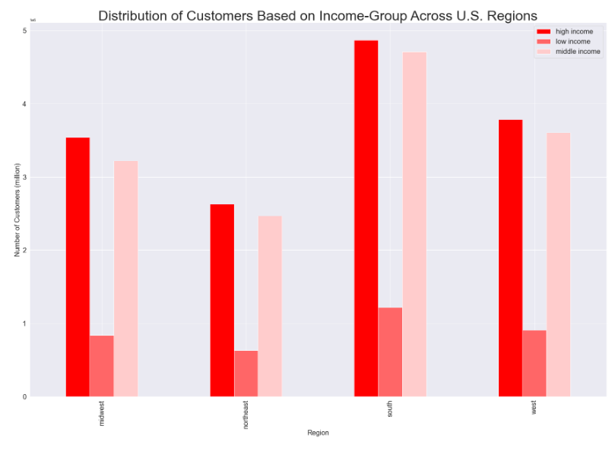

Figure 6.24: This bar chart presents the customer population based on income group at different regions in U.S.

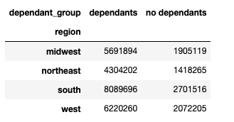

Figure 6.25: This table presents the family status (dependants / no dependants) at different regions in U.S.

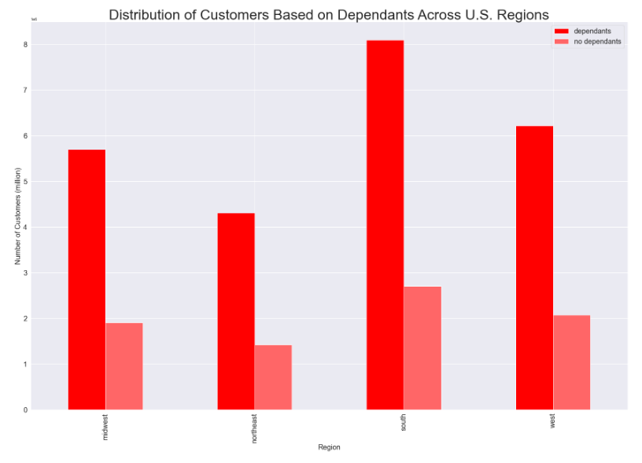

Figure 6.26: This bar chart presents the family status (dependants / no dependants) at different regions in U.S.

 | Figures 6.21 and 6.22 show the customer profile based on age groups in different regions in the U.S. The south region remains the most prominent customer population in all age groups. Note: Customers are divided into age brackets: young-age, mid-age, and older. Customers between 18 and 40 are categorised as young customers; customers between 40 and 65 are classified as middle age, and customers above 65 years old are ranked as the older age group. Figures 6.23 and 6.24 illustrate the customer profile based on income groups in different regions in the U.S. Note: Customers are divided into different income group brackets: low income, middle income, and upper income. Customers earned below $50k are categorised as low-income customers; those who made between $50k to $100k are classified as middle-income; and those who earned above $100k are categorised as high-income. The high-income and middle-income customers are close in all regions. Figures 6.25 and 6.26 illustrate the customer profile based on the number of dependants in different regions in the U.S. Most family status shows that they have dependants, particularly in the south, which is high. It may be due to the population and number of states in the south area. Note: Customers are divided into has dependants or no dependants groups. Figures 6.17 and 6.18, as shown above, already present the loyalty of customers and the specific type of goods that customers will purchase in each region. Recommendation: 1. The marketing and sales team could target all regions by putting more ads. Target age group: Middle as a priority, then Young age group. Last is the older age group; Target income group: High-income group, then Middle-income group; Target Family Status: Has Dependants. 2. The marketing and sales team could also put a sales strategy together for these regions by doing the local purchase behaviour survey, e.g., prioritising the ads based on customer demand in the market. 3. As the lower

 | What differences can you find in ordering habits of different customer profiles?
 | Consider the price of orders, the frequency of orders, the products customers are ordering and anything else you can think of.

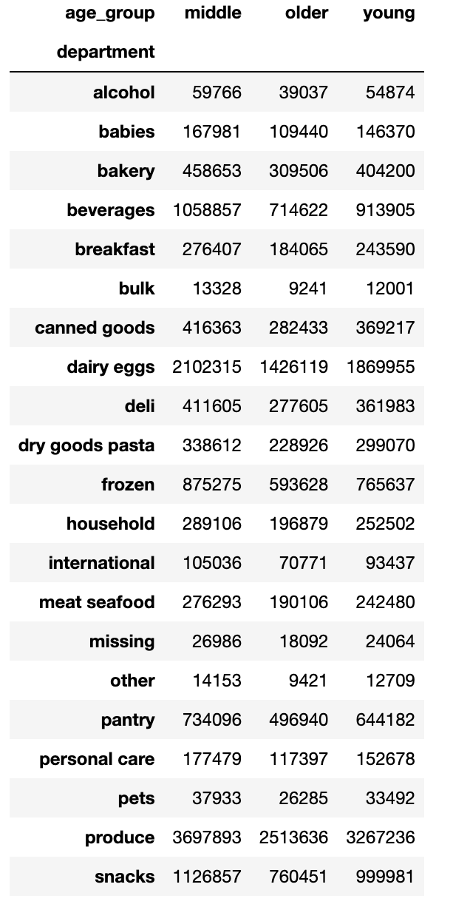

Figure 6.27: This table presents the products customers are ordering based on age group

 | As described in Figure 6.9 and 6.10, the highest frequency of product orders in produce (9478765), then followed by dairy eggs (5398389), snacks (2887289), beverages (2687384), and frozen (2234540) departments. The most minor frequency of product orders is bulk (34570). As we can see in Figure 6.27 that the middle age group of customers remains the largest customer in ordering these products. Recommendation: 1. The marketing and sales team shall focus on the middle-age group of customers. 2. The marketing and sales team could conduct a survey or product research to older group of customers to understand the customer demand requirement of other products to raise sales. 3. The marketing and sales team could put a sales strategy together after carrying out the survey, e.g., prioritising the ads based on customer demand in the market.

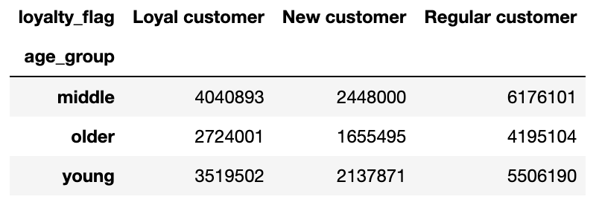

Figure 6.28: This table presents the royalty of the customers based on age group

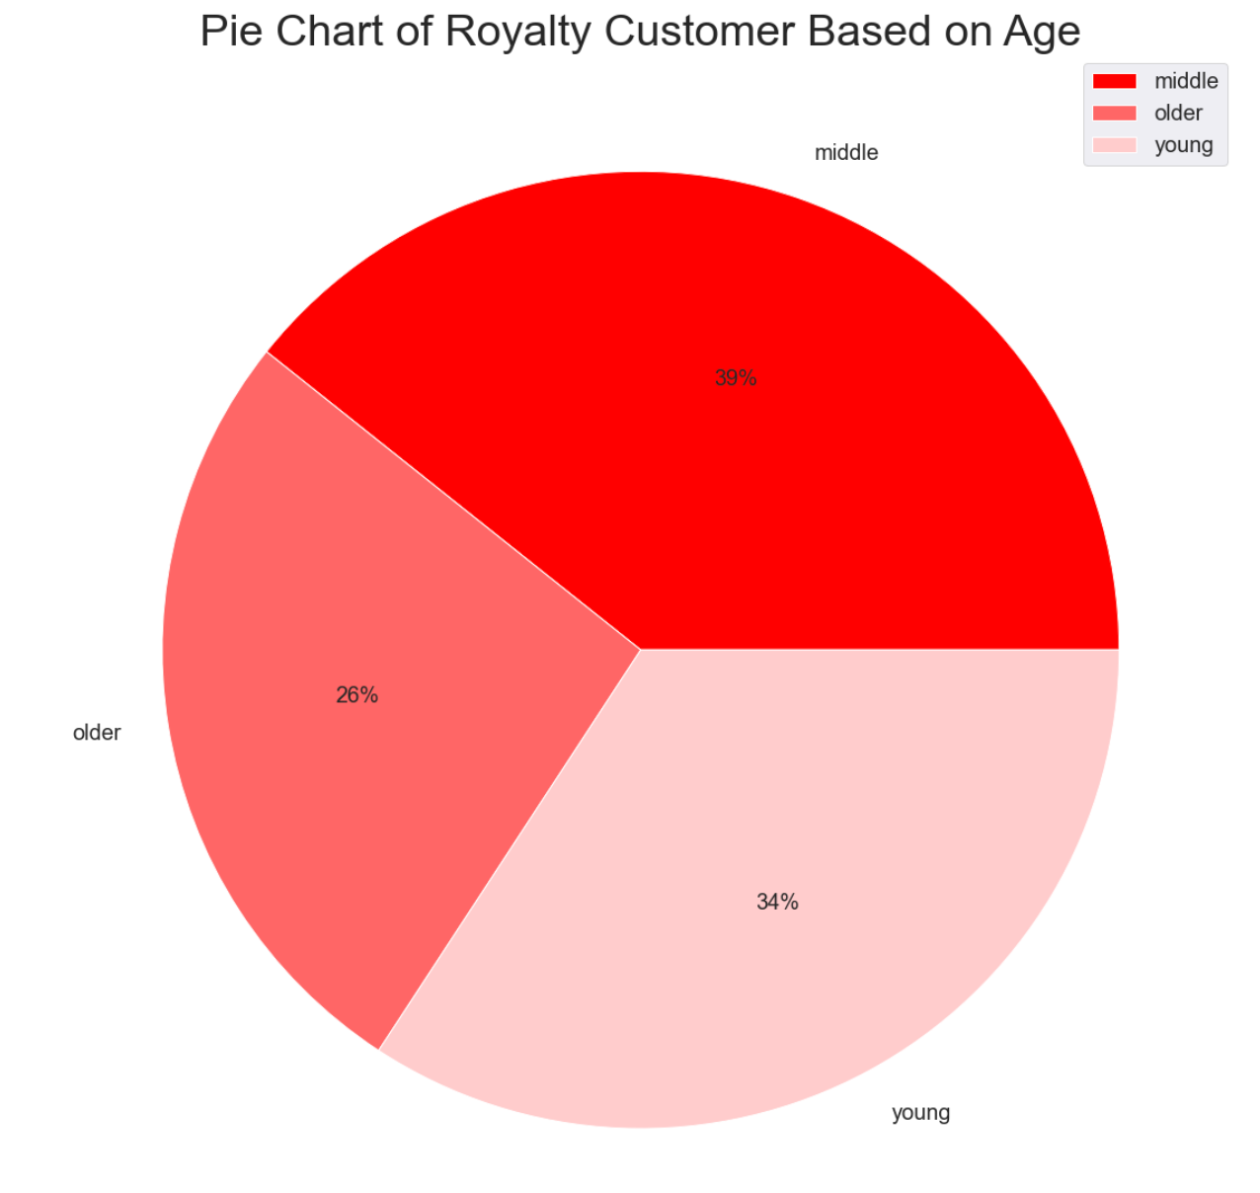

Figure 6.29: This pie chart presents the age group of loyal customers

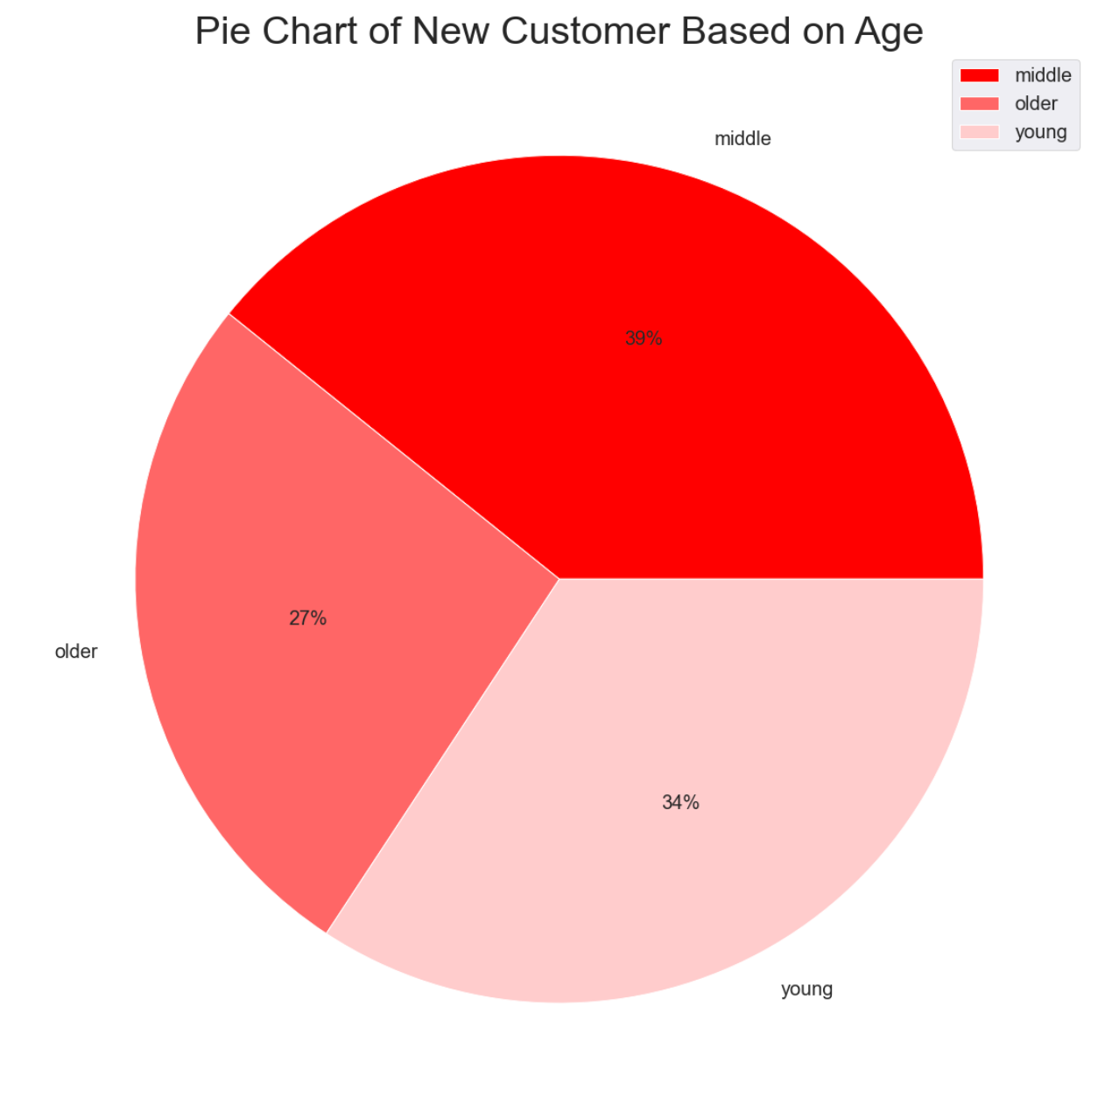

Figure 6.30: This pie chart presents the age group of new customers

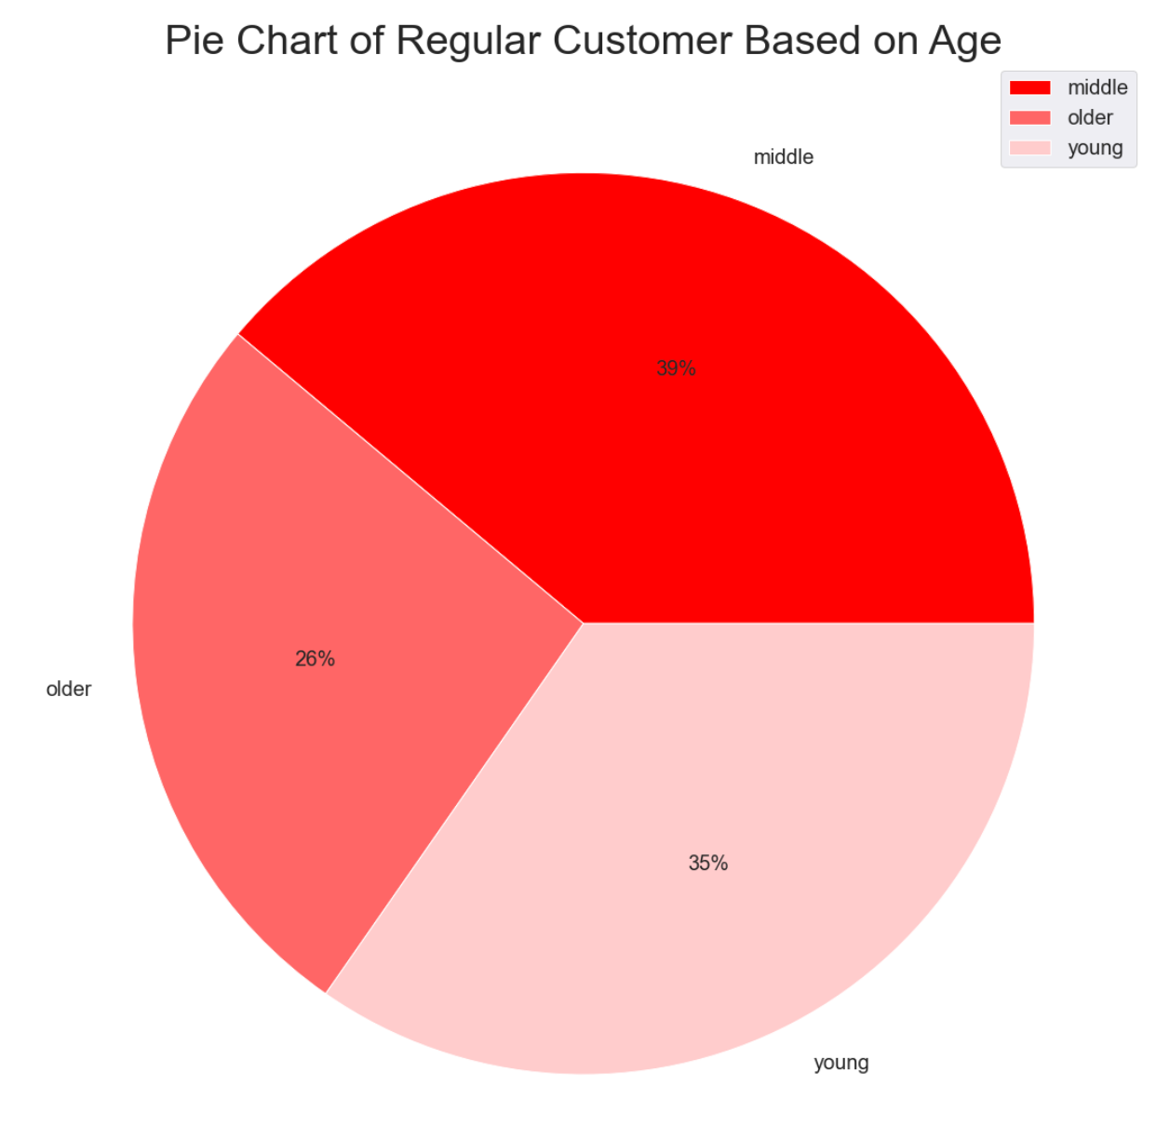

Figure 6.31: This pie chart presents the age group of regular customers

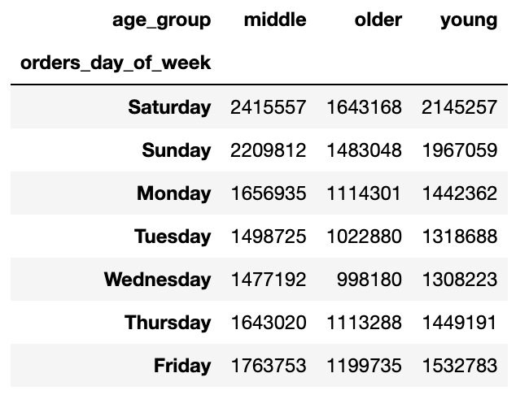

Figure 6.32: This table presents ordering habit based on the age group (during the week)

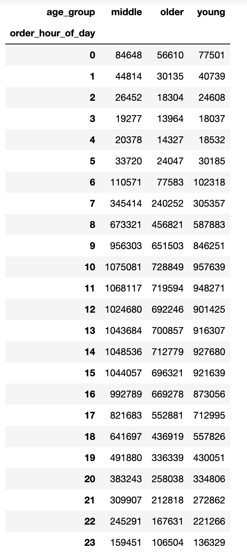

Figure 6.33: This table presents ordering habit based on the age group (during a day)

 | Figure 6.28 presents the royalty of the customers based on age group. As we can see in Figure 6.29, the majority of loyal customers come from middle age (39%), followed by young age (34%) and older age (26%). The percentage of new and regular customers from middle age remains at 39%, followed by the young age group (34%-35%) and older age (26%-27%). See Figures 30 & 31. Regular customers from middle-age are the highest consumers in the U.S. (6176101). Figures 6.33 presents the busiest hours of the day between 9am - 4pm, and Figure 6.32 illustrates the most active days of the week are Sunday and Saturday. Primary customers are the Middle age group (Aged between 40 to 65 years old), followed by the Young age group (Aged between 18 to 40 years old). Recommendation: 1. The marketing and sales team shall focus on middle-aged customers. 2. The marketing and sales team could conduct a survey or product research on the older customers to understand the customer demand requirement of other products to raise sales. 3. The marketing and sales team could consider placing the ads outside of 9am - 4pm and during weekdays to promote and boost the sales.

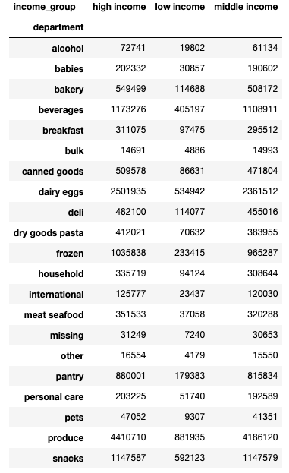

Figure 6.34: This table presents the products customers are ordering based on income group

 | As described in Figures 6.9 and 6.10, the highest frequency of product orders in produce (9478765), then followed by dairy eggs (5398389), snacks (2887289), beverages (2687384), and frozen (2234540) departments. The most minor frequency of product orders is bulk (34570). As we can see in Figure 6.34 that the high-income group of customers remains the most significant customer in ordering these products, then followed by the middle-income group and low-income group, except for the bulk department. The bulk department order habits seem to mostly come from the middle-income group. Recommendation: 1. The marketing and sales team shall target the high-income and middle-income groups of customers. 2. The marketing and sales team could conduct a survey or product research on a lower-income group of customers to understand the customer demand requirement of other products to raise sales. 3. The marketing and sales team could put a sales strategy together after conducting the survey, e.g., prioritising the ads based on customer demand in the market.

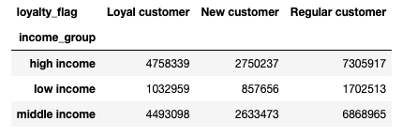

Figure 6.35: This table presents the royalty of the customers based on income group

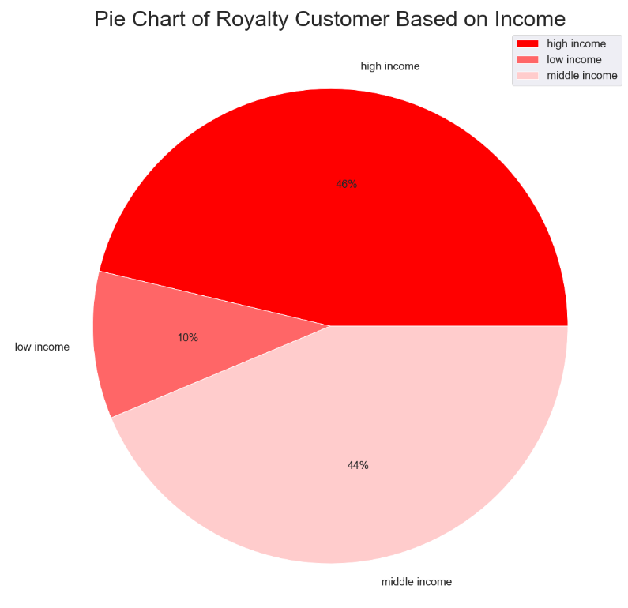

Figure 6.36: This pie chart presents the income group of loyal customers

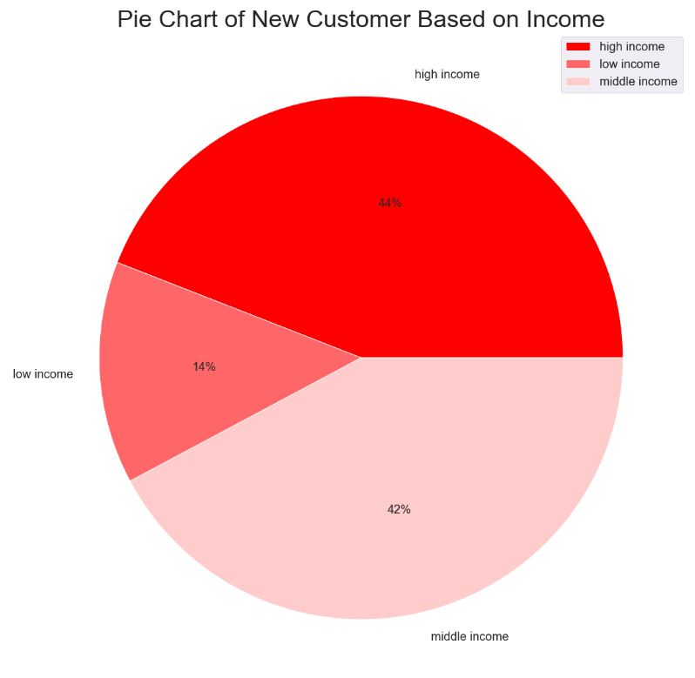

Figure 6.37: This pie chart presents the income group of new customers

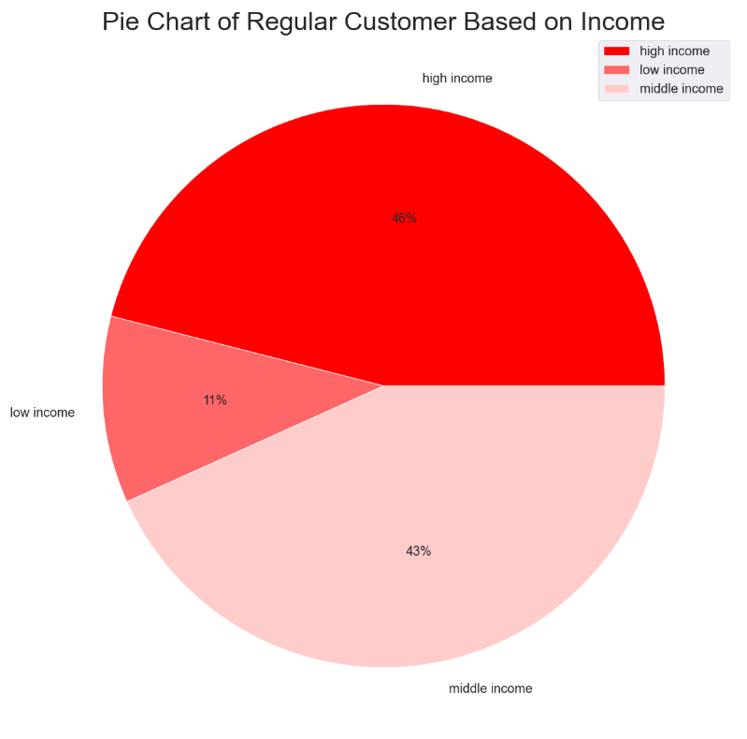

Figure 6.38: This pie chart presents the income group of regular customers

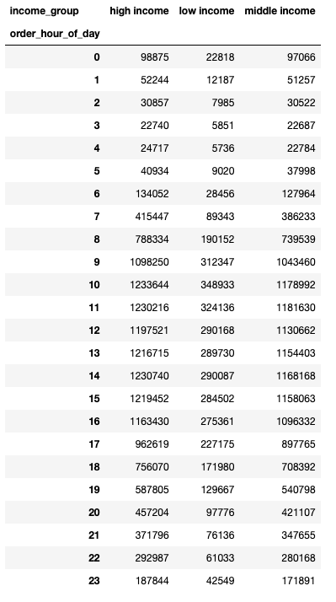

Figure 6.39: This table presents ordering habit based on the income group (during a day)

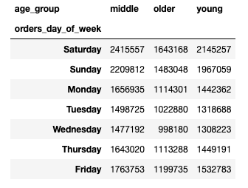

Figure 6.40: This table presents ordering habit based on the income group (in a week)

 | Figure 6.35 presents the royalty of the customers based on income group. As we can see in Figure 6.36, the majority of loyal customers come from high-income group (46%), followed by middle-income group (44%) and lower-income group (10%). The percentage of new and regular customers from high-income group remains at 44%-46% , followed by the middle-income group (42%-43%) and lower-income group (10%-11%). See Figures 37 & 38. Regular customers from high-income group are the highest consumers in the U.S. (7305917). Figures 6.39 presents the busiest hours of the day between 9am - 4pm, and Figure 6.40 illustrates the most active days of the week are Sunday and Saturday. Primary customers are the Middle age group (Aged between 40 to 65 years old), followed by the Young age group (Aged between 18 to 40 years old). Recommendation: 1. The marketing and sales team shall continue put focus on high-income and middle-income group customers. 2. The marketing and sales team could conduct a survey or product research on the lower-income customers to understand the customer demand requirement of other products to raise sales. 3. The marketing and sales team could consider placing the ads outside of 9am - 4pm and during weekdays to promote and boost the sales.

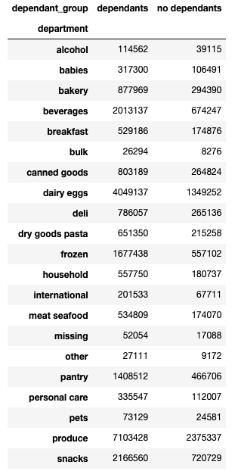

Figure 6.41: This table presents the products customers are ordering based on family status

 | As we can see in Figure 6.41 that the family with dependants remains the most significant customer in ordering these products. Recommendation: 1. The marketing and sales team shall continue focusing on family with dependants with more ads. Perhaps more family members more ordering. 2. The marketing and sales team could conduct a survey or product research on a no dependants family to understand the customer demand requirement to raise sales. 3. The marketing and sales team could put a sales strategy together after conducting the survey, e.g., prioritising the ads based on customer demand in the market.

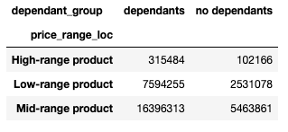

Figure 6.42: This table presents the ordering habit of customer based on family status

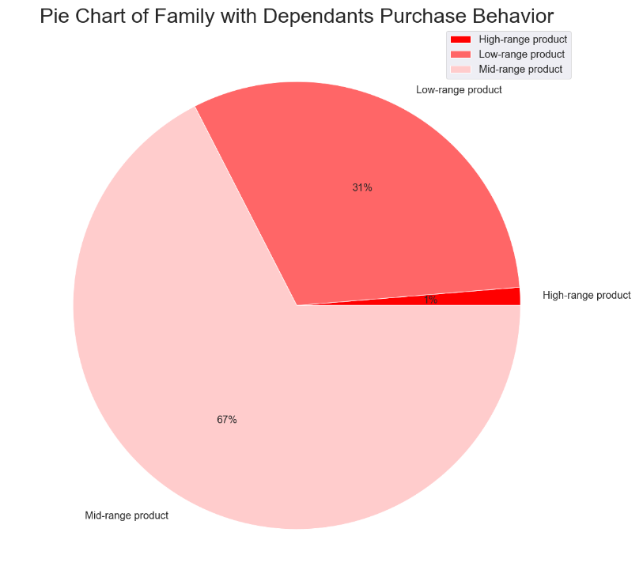

Figure 6.43: This pie chart presents the ordering habit of customer based on family status with dependants

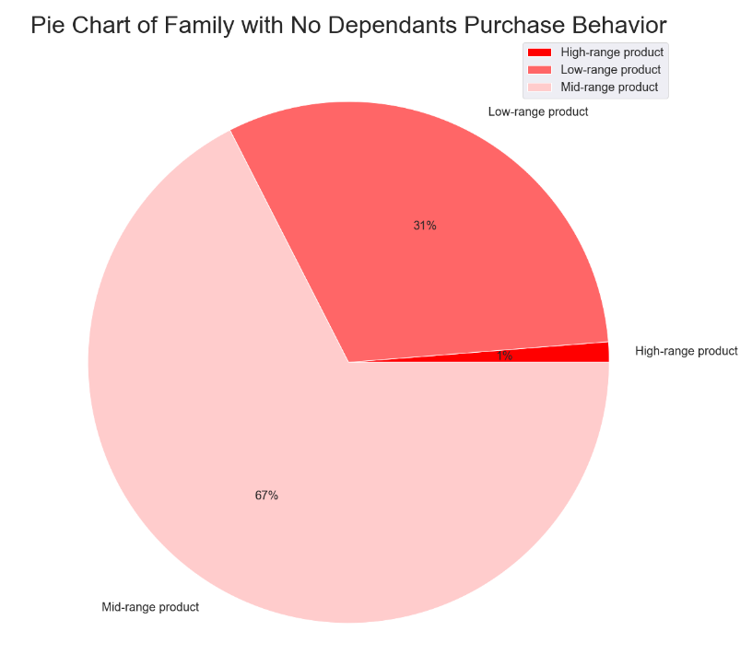

Figure 6.44: This pie chart presents the ordering habit of customer based on family status with no dependants

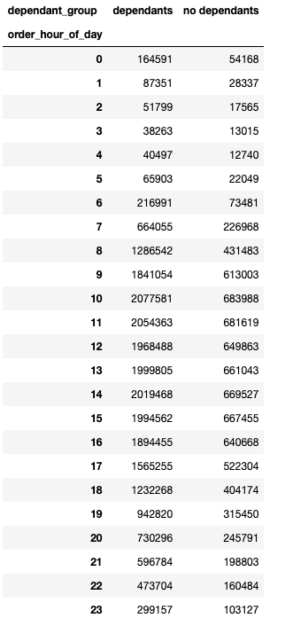

Figure 6.45: This table presents ordering habit based on the family status (during a day)

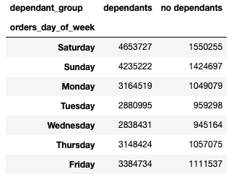

Figure 6.46: This table presents ordering habit based on the family status (in a week)

 | Figure 6.42 presents the ordering habit based on family status. As we can see in Figure 6.42, the majority of customers comes from family with dependants. Figures 6.43 & 6.44 present the customers with family have a frequent ordering habit on mid-range of products, which it is about 67%. (16396313). Figures 6.45 presents the busiest hours of the day between 9am - 4pm, and Figure 6.46 illustrates the most active days of the week are Sunday and Saturday. Primary customers come from family with dependants. Recommendation: 1. The marketing and sales team shall continue put focus on customers with dependants. 2. The marketing and sales team could conduct a survey or product research on the customers with no dependants to understand the customer demand requirement to raise sales. 3. The marketing and sales team could consider placing the ads outside of 9am - 4pm and during weekdays to promote and boost the sales.

